Sheet1
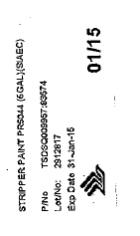
Part No. | Description | Inspection Lot No. | Exp Date

